Script
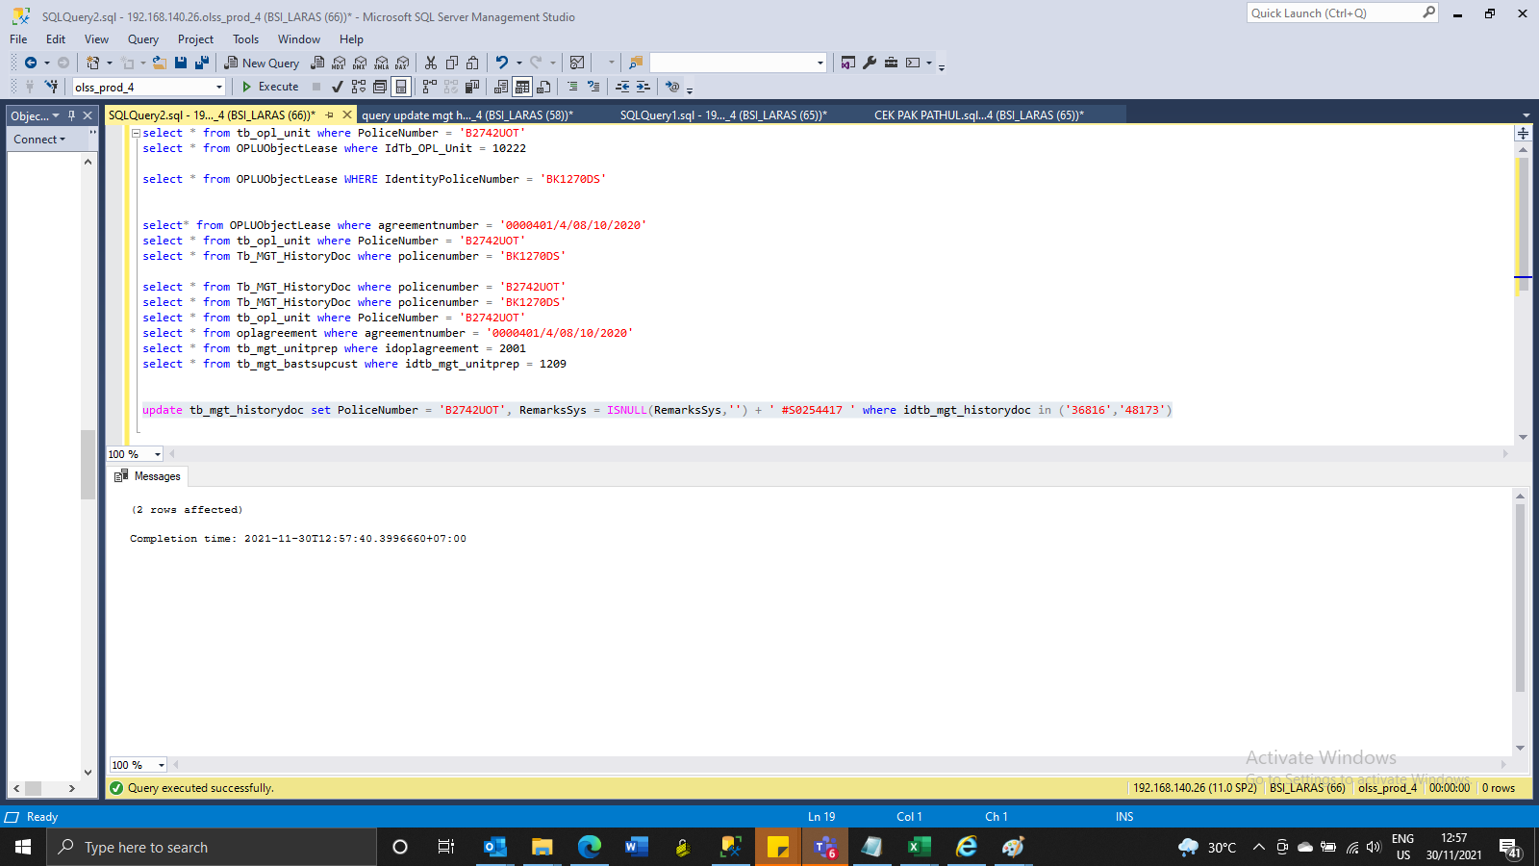
update tb_mgt_historydoc set PoliceNumber = 'B2742UOT', RemarksSys = ISNULL(RemarksSys,'') + ' #S0254417 ' where idtb_mgt_historydoc in ('36816','48173')

SS
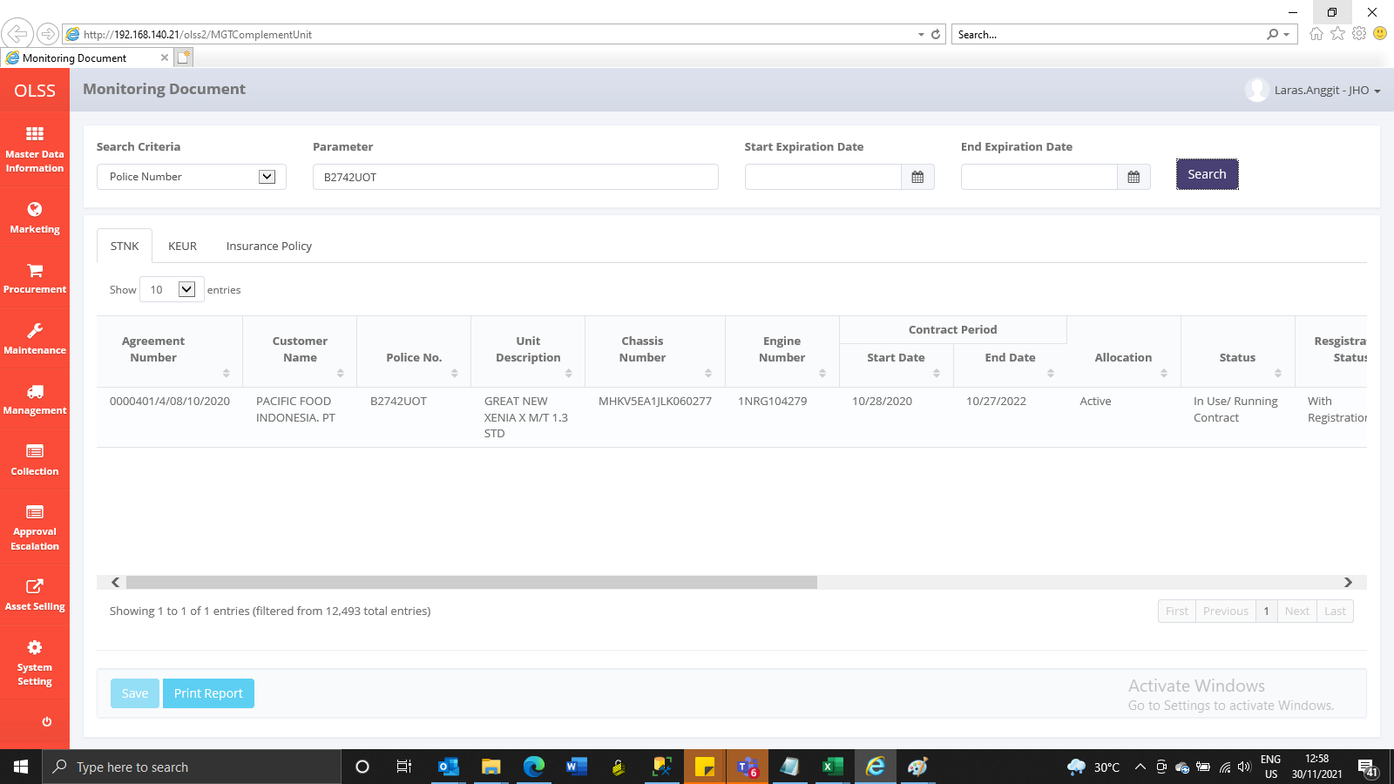
Before
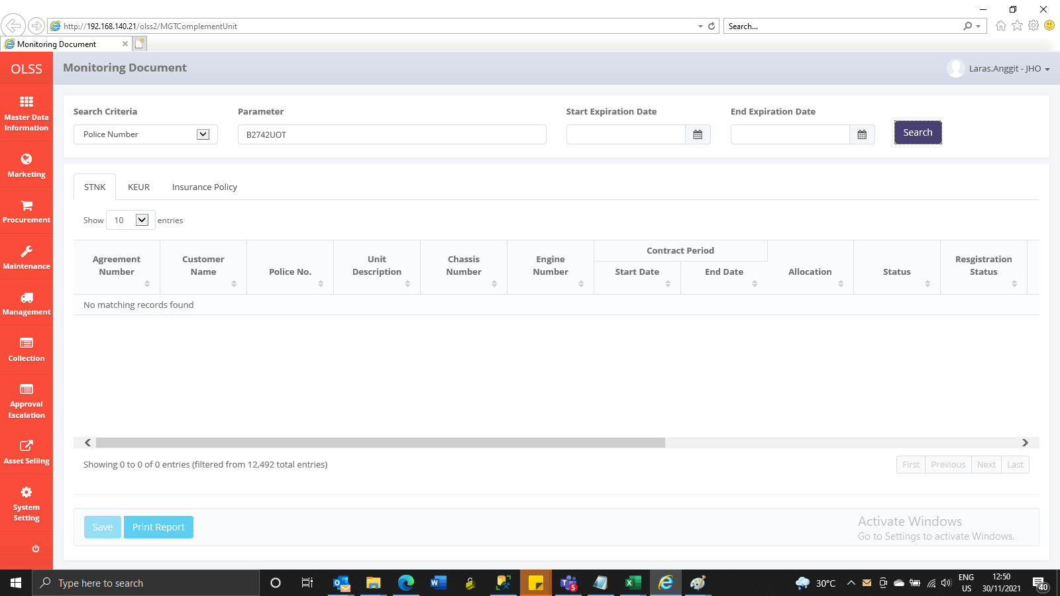

After

